Crop
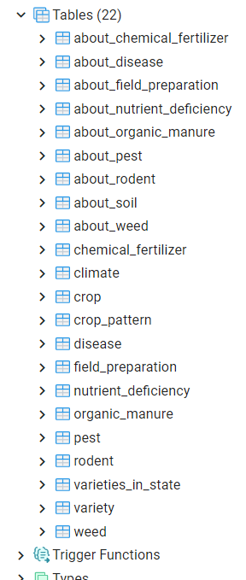
CROP
id | name | description | species | category | season | botanical_name | genus | family | origin | synonym | rotations | tolerant_to | average_yield | images
integer | character varying | character varying[] | character varying | character varying | character varying | character varying | character varying | character varying | character varying | character varying | character varying[] | character varying[] | integer | TO BE ADDED

CLIMATE
id | state | type | temperature | rainfall | humidity | for each crop we have default value |  | id+state => PK
integer | character varying | character varying | numrange | numrange | numrange |  |  | id FK CROP

SOIL
id | state | type | water_content | pH |  | for each crop we have default value |  | id+state+type+water_content+ph
integer | character varying | character varying | numrange | numrange |  |  | about_soil | type+description+images+crops+state

FIELD_PREPARATION
id | state | type | procedure | schedule |  | for each crop we have default value |  | id+state+type+procedure+when_to_perform
integer | character varying | character varying | character varying[] | character varying[] |  |  |  | type+description+images+crops+procedure

Pattern: |  |  |  |  |  |  |  | for each crop we have default value
id | Intercrop
integer | character varying[]

VARIETIES_IN_STATE
id | state | varieties
integer | character varying | character varying[]

VARIETY
variety_name | seed_rate | sowing_time(month) | duration | average_yield | height | features | suitable_regions | tolerant_to | crop_id | list_of_states
character varying | integer | character varying | integer | integer | integer | character varying[] | character varying[] | character varying[]

SOWING
id | time | method_name
integer | character varying | character varying

METHOD
method_name | procedure | seed_treatment | depth | spacing | advantages
character varying | character varying[] | character varying[] | integer | integer | character varying[]

CHEMICAL FERTILIZER
id | state | trade_name | formulation | amount | cycle | for each crop we have default value |  | id + state+trade name+amount + cycle
integer | character varying | character varying | character varying | integer | character varying |  |  | fertilizer name + description + price + crops + images

ORGANIC MANURE
id | state | manure_name | amount | time |  | for each crop we have default value |  | same as fertilizer
integer | character varying | character varying | integer | character varying

IRRIGATION
id | method | cycle
integer | character varying | character varying

PROTECTION
DISEASE
id | state | common_name | scientific_name | symptoms | measures | type
integer | character varying | character varying | character varying | character varying[] | character varying[] | character varying | for each crop we have default value |  | x
 |  |  |  |  |  |  |  |  | rice punjab |  | s1 | m1
NUTRIENT_DEFICIENCY |  |  |  |  |  |  |  |  | rice mh |  | s2 | m2
id | state | symptoms | measures | images |  |  | for each crop we have default value
integer | character varying | character varying[] | character varying[]

RODENT |  |  |  |  |  |  | for each crop we have default value
id | measures
integer | character varying[]

WEED
id | state | name | measures | images
integer | character varying | character varying | character varying[] |  |  |  | for each crop we have default value

PEST
id | state | name | common_name | symptoms | measures | for each crop we have default value | common_name+description+symptioms+default_measures+images+crop_list+commonly_found_region
integer | character varying | character varying | character varying | character varying[] | character varying[] |  | same disease can be in multiple crops, in this table we have to fill it's default measures and symptoms
 |  |  |  |  |  |  | in disease table, the measures and symptoms will be related to crop and state.
Marketing & Storage
id | best_practices
integer | character varying[]

